Cover Page
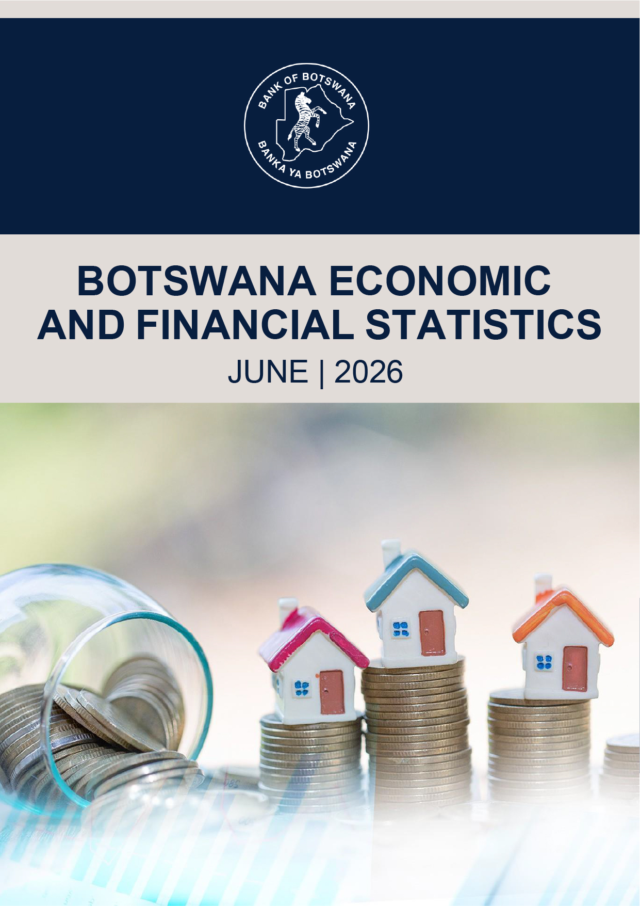
BACK TO CONTENTS

Front Page
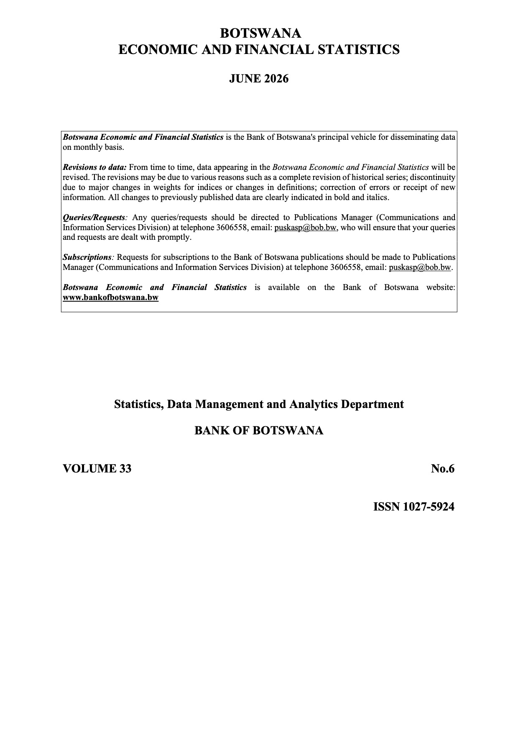
BACK TO CONTENTS

Principles and Timetable
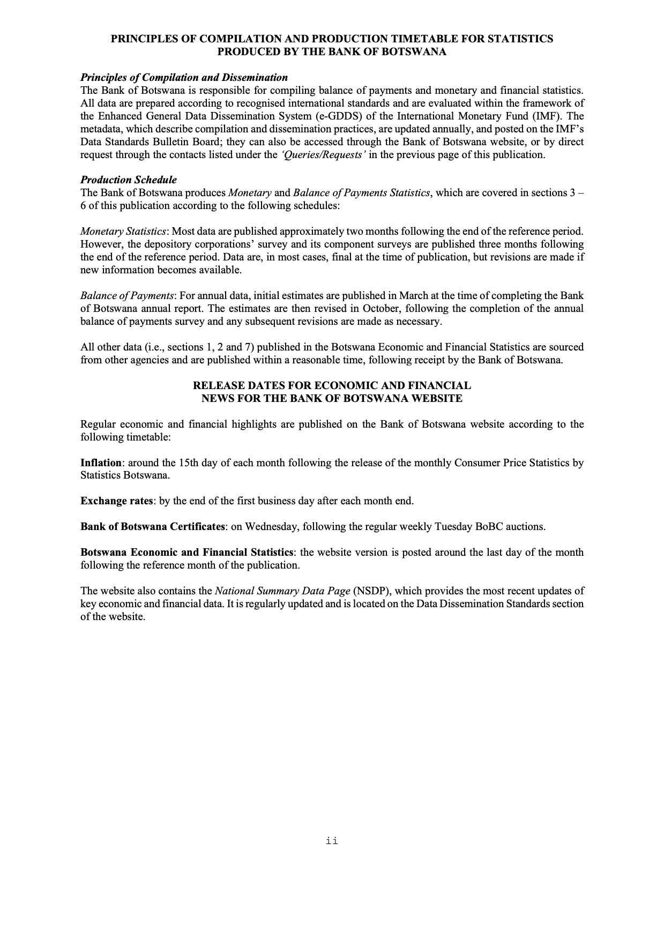
BACK TO CONTENTS

Abbreviations
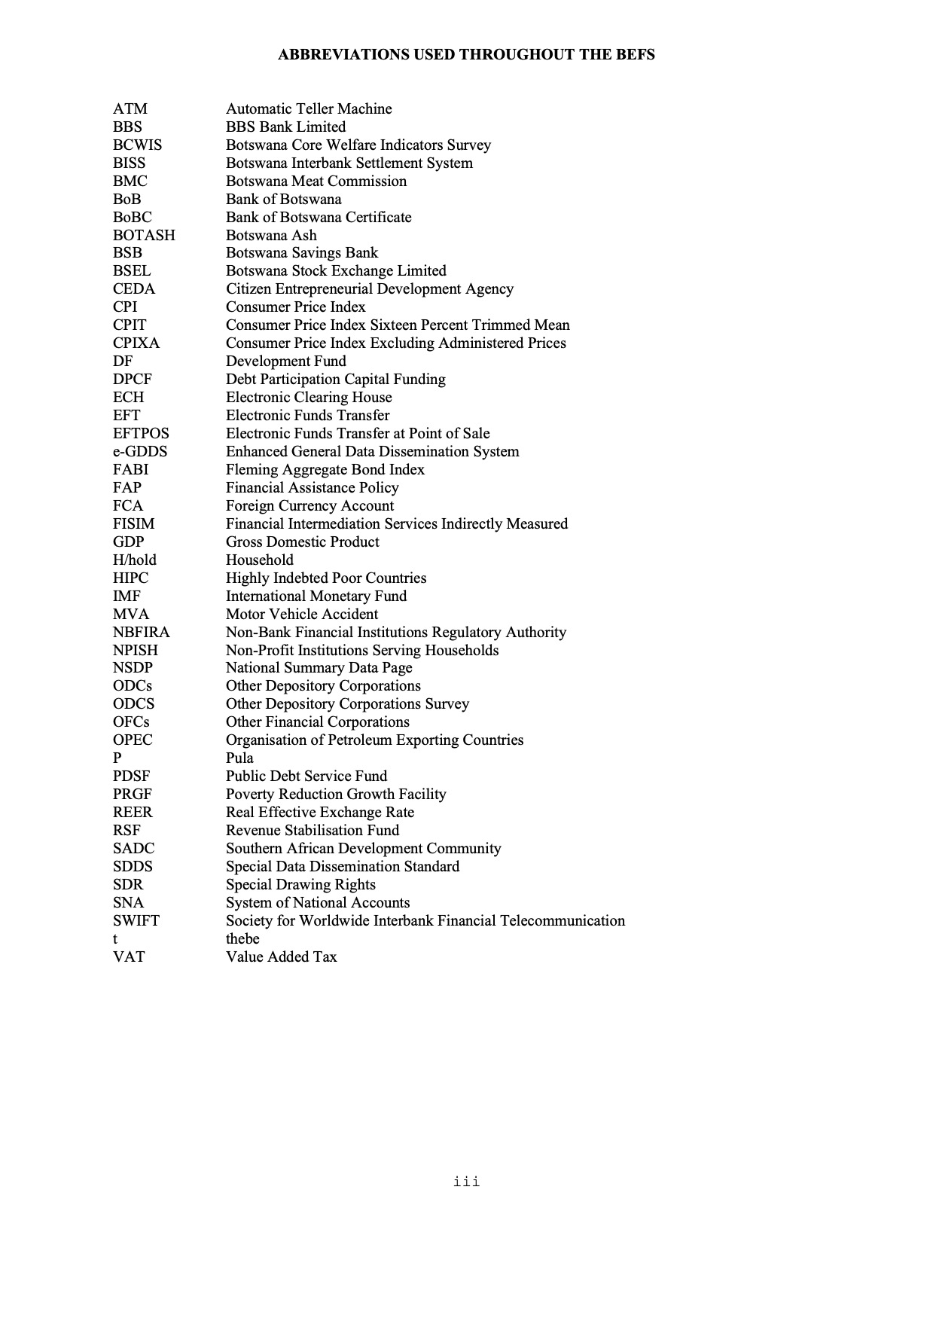
BACK TO CONTENTS

Highlights
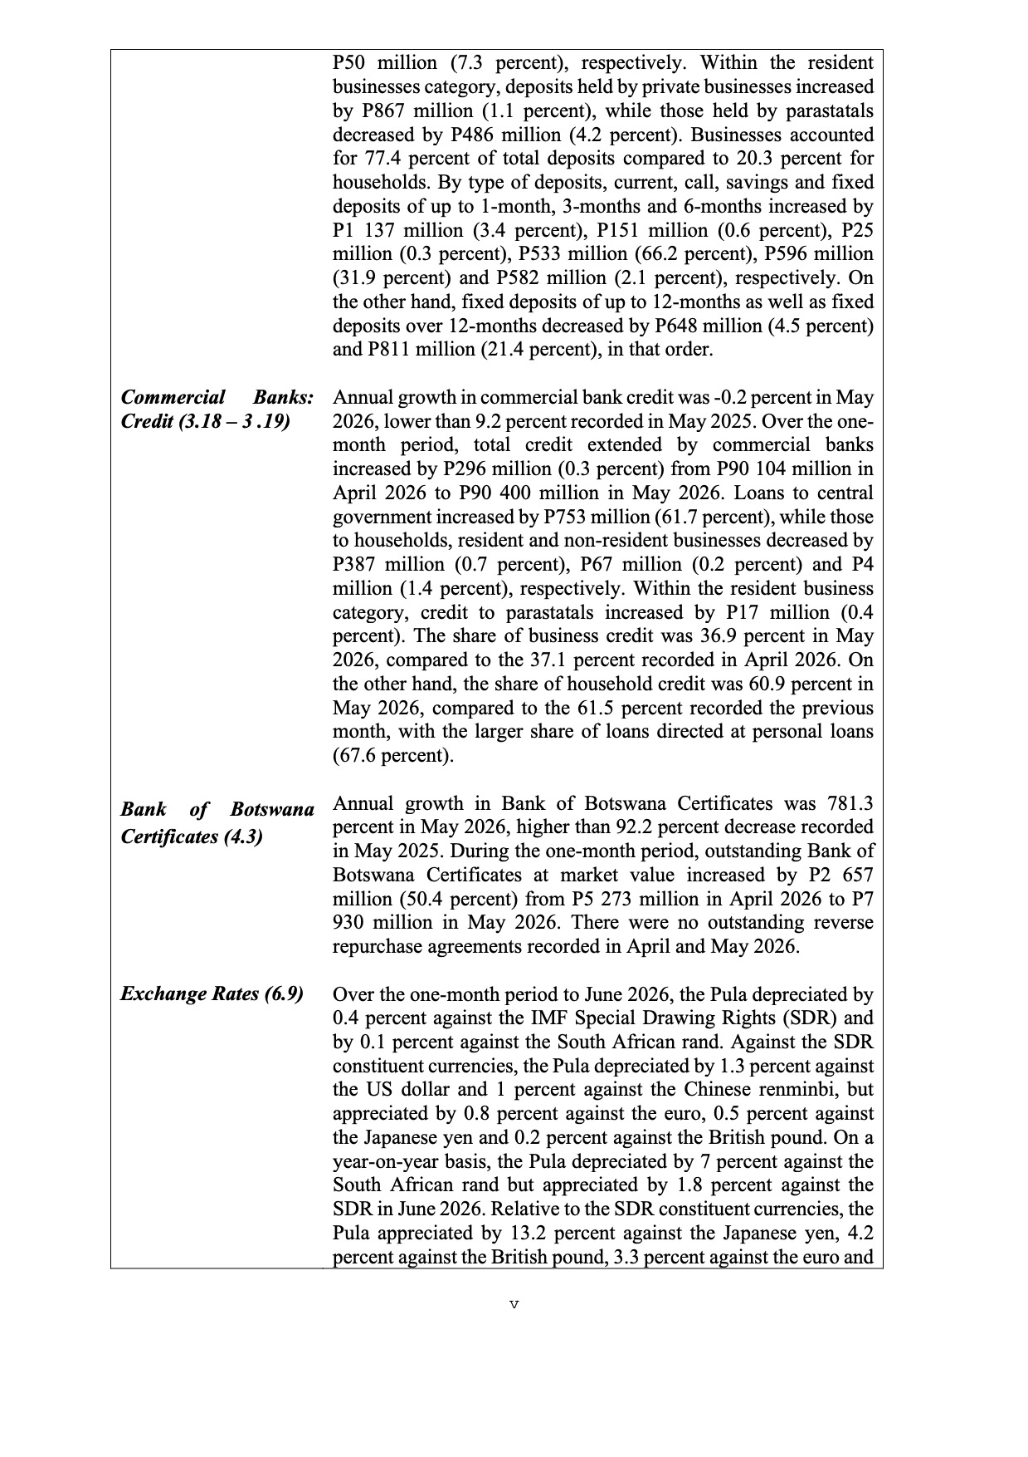

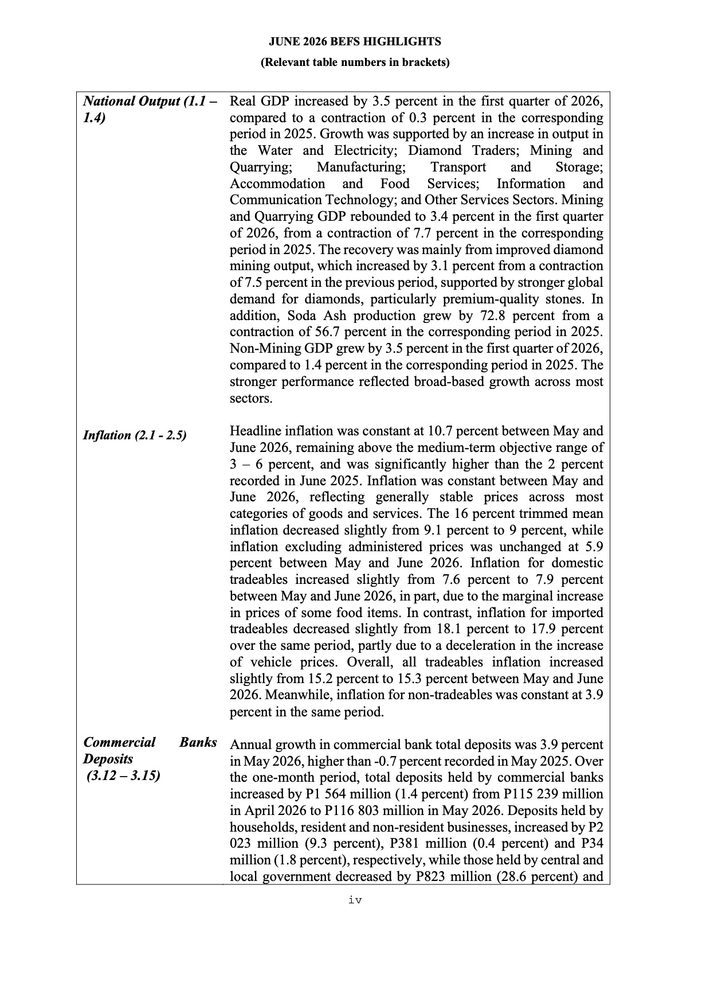
BACK TO CONTENTS

Notes

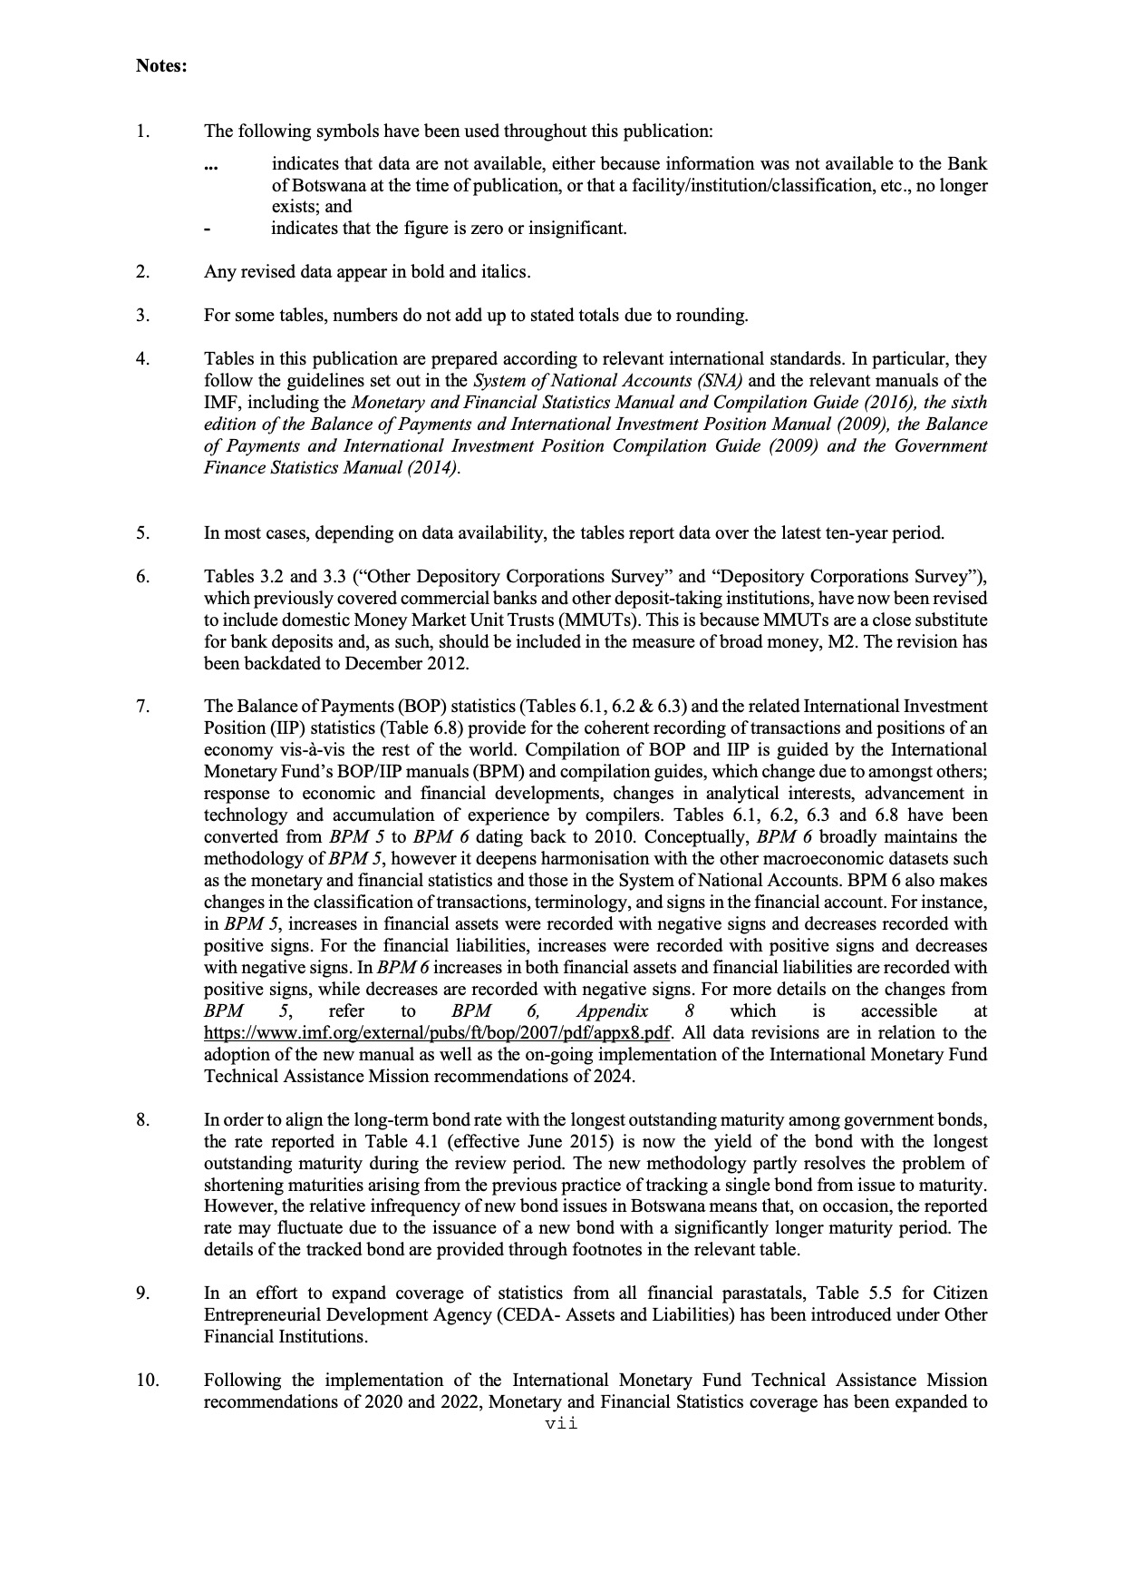
BACK TO CONTENTS

